Sheet1
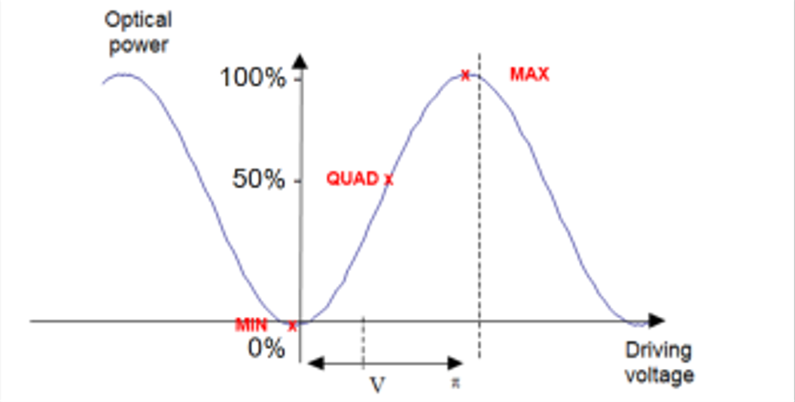
 | P min (nW) | V min (V) | P quad (mW) | V quad (V) |  | P max (mW) | V max (V)
 | 168 | -2.985 | 0.54 | -1.7 |  | 1.121 | 0.42
 | 174 | -2.985 | 0.56 | -1.25 |  | 1.121 | 0.433
 | 184 | -3.012 | 0.56 | -1.261 |  | 1.12 | 0.375
 | 188 | -3.021 | 0.54 | -1.457 |  | 1.127 | 0.293
 | 195 | -3.287 | 0.57 | -1.611 |  | 1.137 | 0.155
 | 204 | -3.193 | 0.551 | -1.581 |  | 1.136 | 0.149
 | 203 | -3.201 | 0.557 | -1.567 |  | 1.136 | 0.169

AVERAGES: | 188 | -3.0977142857 | 0.554 | -1.4895714286 |  | 1.1282857143 | 0.28485714286

Unit change: | Pmin (mW)
 | 0.000188

 |  |  | Votlage required to change signal from from a to b:

 | Ext. ratio (dB): |  | quad->min (V) | quad->max (V) | min V -> max V
 | -10.364142446 |  | -1.6081428571 | 1.7744285714 | 3.3825714286

